Read me!
Instructions:
1. No need to input units in the yellow AND orange boxes;
2. Do not change the format of this Excel file (do NOT delete/insert a row/column);
3a. Proper scientific notation input in Excel:
Enter "1e-10" for 1x10⁻¹⁰ and "1.3e9" for 1.3x10⁹
3b. If you are not comfortable with inputting scientific notation,
please input your values in standard notation (decimal format)
instead of scientific notation;
4a. Make sure you have the correct number of significant figures
(See pictures on the right to adjust the decimal places);
4b. Not having the proper number of significant figures in the Excel file will result points deduction in the lab report;
5. Since some of the columns have been revised from the lab manual in this template, please double check the cell referencing calculations;
6. Your graphs should have a proper title, x-axis title and unit, y-axis and unit, linear fit trendline displaying the equation and r²;
7. Change the file name as "Chem102KineticsData_LastName" and Upload this Excel file on Canvas by the night before your next lab session by 11:59 pm
Your First Name
Your Last Name

Your Partner's First Name
Your Partner's Last Name

Your Partner's First Name
Your Partner's Last Name

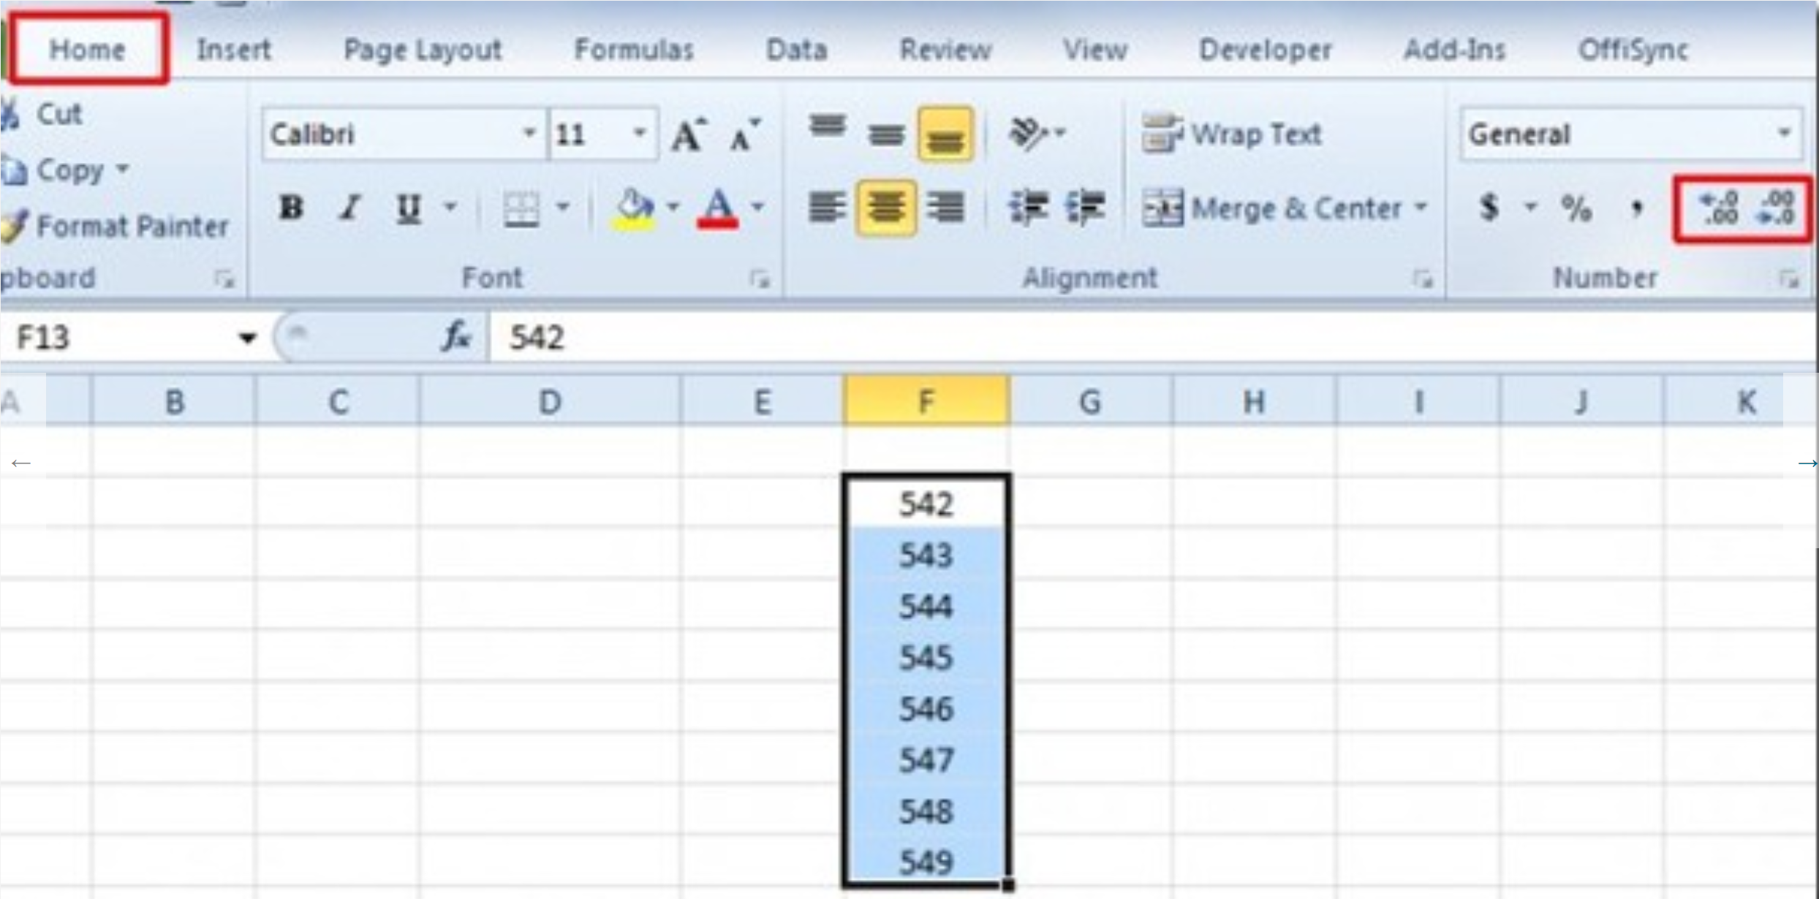
How to add/remove decimal places

0th Order Grp Here
Instructions:
1. Your graphs should have a proper title, x-axis title and unit, y-axis and unit, linear fit trendline displaying the equation and r²;
2. Your slope and y-intercept should have 5 sig. fig.
0th Order Kinetics Graph ([RCl] M vs Time)
Total Time (s) | [RCl]t (M) It's actually mole of RCl at time t, but ignore it at the moment
265 | 0.00636523
546 | 0.00608176
800 | 0.00584983
1105 | 0.00559213
1410 | 0.00533443
1723 | 0.00507673
2074 | 0.004806145
2345 | 0.0045871
2673 | 0.00435517
2923 | 0.00414901
3279 | 0.00389131
3530 | 0.00371092
3910 | 0.00345322
4188 | 0.00327283
4465 | 0.00306667

1st Order Grp Here
Instructions:
1. Your graphs should have a proper title, x-axis title and unit, y-axis and unit, linear fit trendline displaying the equation and r²;
2. Your slope and y-intercept should have 5 sig. fig.
Total Time (s) | ln[RCl]t
265 | -5.0569049125
546 | -5.1024611512
800 | -5.141342678
1105 | -5.1863950268
1410 | -5.2335732415
1st Order Kinetics Graph (ln[RCl]t vs Time)
1723 | -5.2830879254
2074 | -5.3378599715
2345 | -5.3845072629
2673 | -5.4363916338
2923 | -5.4848855274
3279 | -5.5490094171
3530 | -5.5964754547
3910 | -5.6684481499
4188 | -5.7221002249
4465 | -5.7871629966

2nd Order Grp Here
Instructions:
1. Your graphs should have a proper title, x-axis title and unit, y-axis and unit, linear fit trendline displaying the equation and r²;
2. Your slope and y-intercept should have 5 sig. fig.
Total Time (s) | 1/[RCl] (1/M)
265 | 157.10351393
546 | 164.42608719
800 | 170.94513858
1105 | 178.82273838
1410 | 187.46145324
Second Order Kinetics Graph 1/[RCl] (1/M)
1723 | 196.97718807
2074 | 208.06696427
2345 | 218.00265963
2673 | 229.6121621
2923 | 241.02135208
3279 | 256.98286695
3530 | 269.474955
3910 | 289.58479332
4188 | 305.54596481
4465 | 326.08660208

